Instructions
C. diff Process Discovery Tool
Instructions
-Complete the spreadsheet for your last five HAIs
-Type responses in boxes without dropdown list
-For the remaining boxes, choose your answer from the dropdown list
The box will populate with red, yellow, or green, based on choice selected
Red: Not best practice and should try to implement change,
Yellow: Neutral, but may need to consider practice change,
Green: Best practice
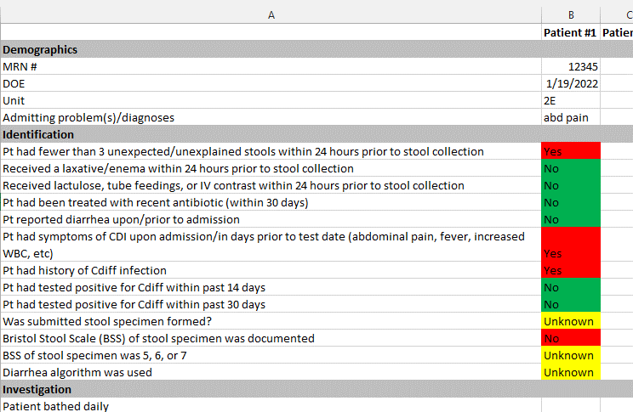

This material was prepared by Kentucky Hospital Association and has been modified by IPRO QIN-QIO under contract with the Centers for Medicare & Medicaid Services (CMS), an agency of the U.S. Department of Health and Human Services (HHS). Views expressed in this document do not necessarily reflect the official views or policy of CMS or HHS, and any reference to a specific product or entity herein does not constitute endorsement of that product or entity by CMS or HHS. 12SOW-IPRO-QIN-T3-AA-22-699

